Sheet1
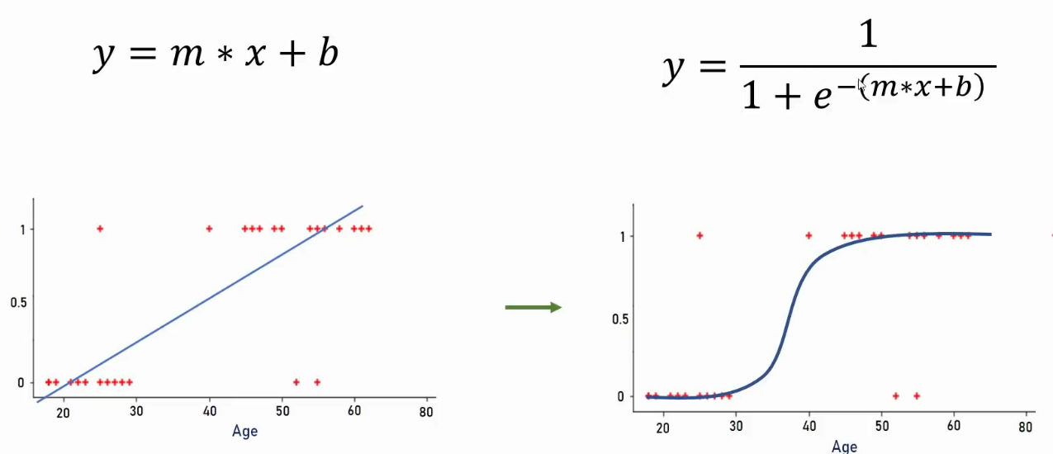
Age v/s Insurance |  |  |  | y = mx + c | m = | 0.1676
 |  |  |  |  | c = | -7.936
age | have_insurance
x | y (Autals) | y = mx + c | Sigmoid | Prediction | Confu_Matx
22 | 0 | -4.2488 | 0.014080275759 | 0 | match
25 | 0 | -3.746 | 0.023067339101 | 0 | match
47 | 1 | -0.0588 | 0.4853042339 | 0 | confused
52 | 0 | 0.7792 | 0.68550767002 | 1 | confused
46 | 1 | -0.2264 | 0.44364052919 | 0 | confused
56 | 1 | 1.4496 | 0.80993686596 | 1 | match
63 | 0 | 2.6228 | 0.93231461186 | 1 | confused
60 | 1 | 2.12 | 0.89283192951 | 1 | match | 0 - False
62 | 1 | 2.4552 | 0.92094088611 | 1 | match | 1 - True
61 | 1 | 2.2876 | 0.90784485634 | 1 | match
18 | 0 | -4.9192 | 0.0072519968503 | 0 | match
28 | 0 | -3.2432 | 0.037572006004 | 0 | match
27 | 0 | -3.4108 | 0.031959637645 | 0 | match
29 | 0 | -3.0756 | 0.04412502683 | 0 | match
49 | 1 | 0.2764 | 0.56866341591 | 1 | match |  | accuracy score =
23 | 0 | -4.0812 | 0.01660674758 | 0 | match |  |  | 0.83333333333
35 | 0 | -2.07 | 0.11204703856 | 0 | match
55 | 1 | 1.282 | 0.78279002835 | 1 | match
54 | 0 | 1.1144 | 0.75294849713 | 1 | confused |  | Confusion Matrix :
48 | 1 | 0.1088 | 0.52717320019 | 1 | match |  |  | Pred- F | Pred- T
58 | 1 | 1.7848 | 0.8562885573 | 1 | match |  | Actuals - F | 13 | 3
45 | 0 | -0.394 | 0.40275475413 | 0 | match |  | Actuals - T | 2 | 12
66 | 1 | 3.1256 | 0.95793645525 | 1 | match
65 | 1 | 2.958 | 0.95064023169 | 1 | match
59 | 1 | 1.9524 | 0.87570810166 | 1 | match
20 | 0 | -4.584 | 0.010110688487 | 0 | match
31 | 0 | -2.7404 | 0.060631117317 | 0 | match
33 | 0 | -2.4052 | 0.082777029 | 0 | match
39 | 0 | -1.3996 | 0.19787959307 | 0 | match
50 | 1 | 0.444 | 0.60921173685 | 1 | match

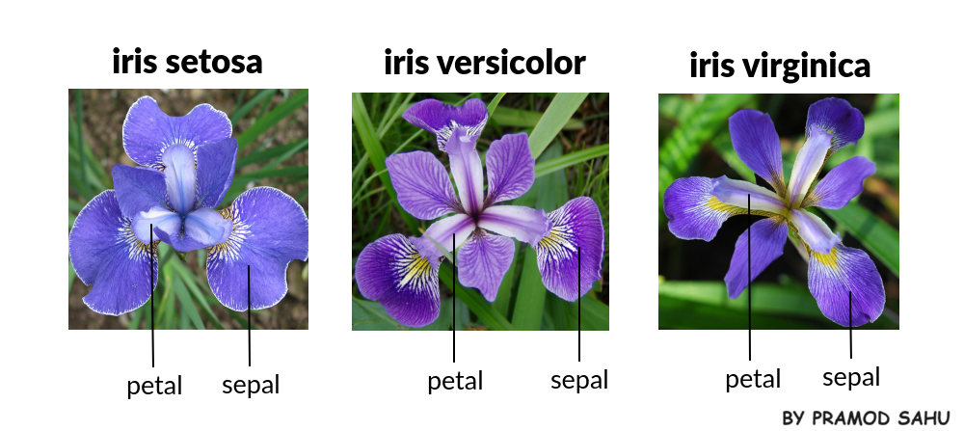

70 : 30 Split | 21 : 9 |  |  |  | train | dataset |  | test | dataset
 | X | y (Autals) |  |  | X | y |  | X | y
1 | 22 | 0 |  |  | train_X | train_y |  | test_X | test_y | pred
2 | 25 | 0 |  |  | 22 | 0 |  | 47 | 1
3 | 47 | 1 |  |  | 25 | 0 |  | 46 | 1
4 | 52 | 0 |  |  | 52 | 0 |  | 62 | 1
5 | 46 | 1 |  |  | 56 | 1 |  | 49 | 1
6 | 56 | 1 |  |  | 63 | 0 |  | 23 | 0
7 | 63 | 0 |  |  | 60 | 1 |  | 58 | 1
8 | 60 | 1 |  |  | 61 | 1 |  | 59 | 1
9 | 62 | 1 |  |  | 18 | 0 |  | 33 | 0
10 | 61 | 1 |  |  | 28 | 0 |  | 39 | 0
11 | 18 | 0 |  |  | 27 | 0
12 | 28 | 0 |  |  | 29 | 0
13 | 27 | 0 |  |  | 35 | 0
14 | 29 | 0 |  |  | 55 | 1
15 | 49 | 1 |  |  | 54 | 0
16 | 23 | 0 |  |  | 48 | 1
17 | 35 | 0 |  |  | 45 | 0
18 | 55 | 1 |  |  | 66 | 1
19 | 54 | 0 |  |  | 65 | 1
20 | 48 | 1 |  |  | 20 | 0
21 | 58 | 1 |  |  | 31 | 0
22 | 45 | 0 |  |  | 50 | 1
23 | 66 | 1
24 | 65 | 1
25 | 59 | 1
26 | 20 | 0
27 | 31 | 0
28 | 33 | 0
29 | 39 | 0
30 | 50 | 1

